Read
Economy-wide Product Market Regulation Indicators

This file presents the OECD Indicators of Product Market Regulation (PMR), which are a comprehensive and internationally-comparable set of indicators that measure the degree to which policies promote or inhibit competition in areas of the product market where competition is viable. They measure the economy-wide regulatory and market environments in OECD countries and in a number of non-OECD countries. This file also includes a random weights analysis for the values of the overall PMR indicator and of the two high level components.
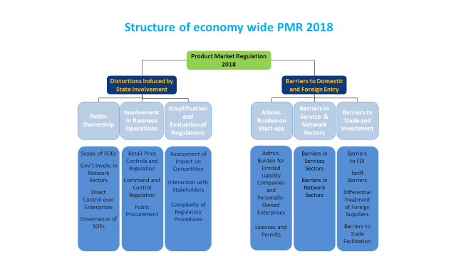
It also presents a random weight analysis

